TestSummary
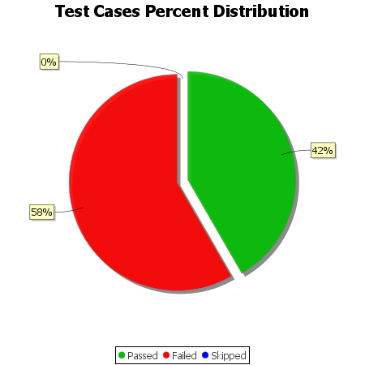
Total Test Cases | 12
Test Cases Passed | 5
Test Cases Failed | 7
Test Cases Skipped | 0

